Sheet1
Input Parameters | Value | Detail | Special Conditions | Performance Characteristrics | Value | Unit | Notes
Ri | 10000 | Input Resistance | Metal Film | Desireable Gain | 10
Rf | 100000 | Feedback Resistance | Metal Film | Effective Resistance | 9.09E+03 | Ohm
$$\frac{1}{(C_{b} ×250kOhm)} ≤ \frac{1}{(C_{i}R_{i})}$$
Ci | 7.96E-07 | Input Capacitance (Calculated Automatically) | Low Leakage Tentalum / Ceramic |  |  |  | Condition Must be Met for Optimum Performancce
$\frac{1}{(C_{b} ×250kOhm)} ≤ \frac{1}{\left(C_{i}R_{i}\right)} ≪ \frac{1}{R_{l}C_{c}}$
Cc | 2.20E-04 | Output Capacitance | Low ESR Tentalum / Ceramic |  |  |  | Condition Must be Met for Optimum Performancce
Cb | 1.00E-06 | Bypass Capacitance | 0.1u<Cb<1u | fc Lowpass (Applicable if Rf>50k) | 3.18E+05 | Hz
Cs | 0.1u | Source Decoupling | Low ESR Ceramic | 1/((C_i R_i ) ) | 1.26E+02
Cs | 10u | Source Decoupling | Electrolyte Aluminium | 1/(R_l C_c ) | 1.42E+02
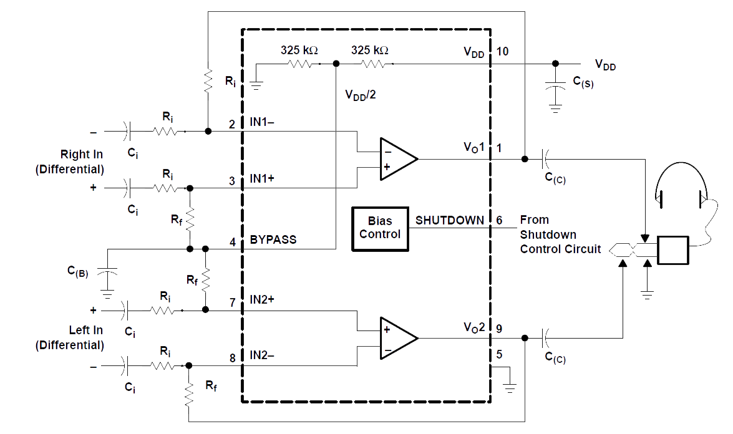
Cf | 5p | Compensation Cap | Ceramic

